Fama French
 | OJO
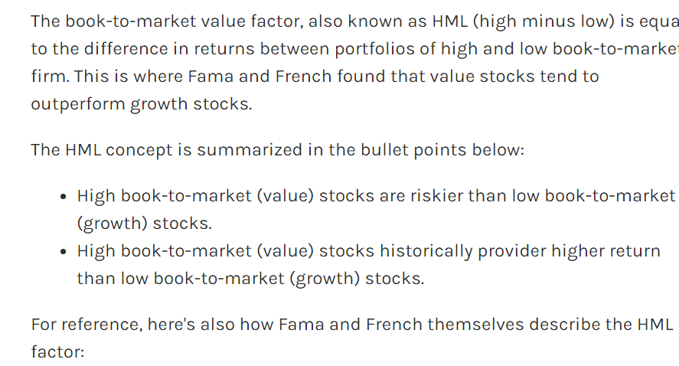



*The intercept term, α, represents alpha (specifically the "three-factor alpha")
*The residuals in this formula can also sometimes give rise to "idiosyncratic volatility," which represents random movements of the firm on any individual day that cannot be explained by the asset-pricing model.

**Could have two extra betas with RMA (profitability factor) and CMA (investment factor)

Carhart-Momentum
